Sheet1
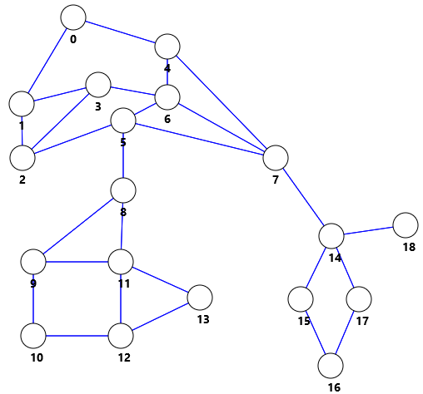
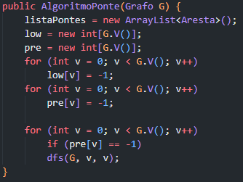
 |  | V | Pre[] | Low[] | Fila (Início)
 |  | 0 | 0 | 0 | dfs(G, 2, 1)
 |  | 1 | 18 | 0 | dfs(G, 3, 2)
 |  | 2 | 17 | 0 | dfs(G, 6, 3)
 |  | 3 | 16 | 0 | dfs(G, 5, 6)
 |  | 4 | 1 | 0 | dfs(G, 10, 9)
 |  | 5 | 8 | 0 | dfs(G, 12, 10)
 |  | 6 | 15 | 0 | dfs(G, 13, 12)
 |  | 7 | 2 | 0 | dfs(G, 11, 13)
 |  | 8 | 9 | 9 | dfs(G, 8, 11)
 |  | 9 | 14 | 9 | dfs(G, 5, 8)
 |  | 10 | 13 | 9 | dfs(G, 7, 5)
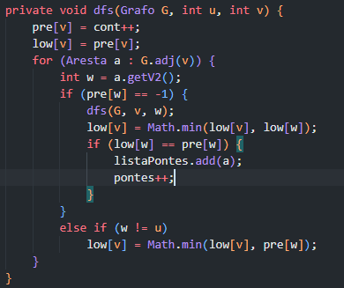
adj[] |  | 11 | 10 | 9 | dfs(G, 16, 15)
0 | 4 1 | 12 | 12 | 9 | dfs(G, 17, 16)
1 | 3 2 0 | 13 | 11 | 9 | dfs(G, 14, 17)
2 | 5 3 1 | 14 | 3 | 3 | dfs(G, 14, 18)
3 | 6 2 1 | 15 | 7 | 3 | dfs(G, 7, 14)
4 | 7 6 0 | 16 | 6 | 3 | dfs(G, 4, 7)
5 | 8 7 6 2 | 17 | 5 | 3 | dfs(G, 0, 4)
6 | 7 5 4 3 | 18 | 4 | 4 | dfs(G, 0, 0)
7 | 14 5 6 4
8 | 11 9 5 |  |  |  | ListaPontes
9 | 11 10 8 |  |  |  | 14 | 18
10 | 12 9 |  |  |  | 7 | 14
11 | 13 12 9 8 |  |  |  | 5 | 8
12 | 13 11 10
13 | 12 11
14 | 18 17 15 7
15 | 16 14
16 | 17 15
17 | 14 16
18 | 14

